B. Trial Balance
Parish Name, City
B. Trial Balances - amounts automatically transfer to the Summary worksheets (on Tab "H")

 |  |  |  |  |  | 2024-25 | 2025-26 |  |  | 2026-27
 | Account Number/ Description |  |  |  |  |  | Year to Date Actual thru | Fiscal Year | Projected | Budget
 |  |  |  |  |  | Actual | 1/1/00 | Budget

8 | 501 | Offertory Collections
9 |  | 501.10 | Sunday
10 |  | 501.20 | Christmas
11 |  | 501.30 | Easter
12 |  | 501.40 | Holy Days
13
14
15
16
17
18
19
20
21
22 |  | 501.50 | Parish Mission Church
23 |  |  | 501.51 | Sunday
24 |  |  | 501.52 | Christmas
25 |  |  | 501.53 | Easter
26 |  |  | 501.54 | Holy Days
27 |  |  | 501.59 | Other
28 |  | 501.60 | Parish Mission Church
29 |  |  | 501.61 | Sunday
30 |  |  | 501.62 | Christmas
31 |  |  | 501.63 | Easter
32 |  |  | 501.64 | Holy Days
33 |  |  | 501.69 | Other
34 |  | 501.70 | Parish Mission Church
35 |  |  | 501.71 | Sunday
36 |  |  | 501.72 | Christmas
37 |  |  | 501.73 | Easter
38 |  |  | 501.74 | Holy Days
39 |  |  | 501.79 | Other
40 |  | 501.90 | Other
41 | Total 501 |  |  |  |  | - | - | - | - | -
42 | 502 | Sacramental Services
43 |  | 502.10 | Baptisms
44 |  | 502.20 | Weddings
45 |  | 502.30 | Funerals
46 |  | 502.40 | Quinceaneras
47 |  | 502.50 | Mass Offerings
48 |  | 502.60
49 |  | 502.70
50 |  | 502.80
51 |  | 502.90 | Other
52
53
54
55 | Total 502 |  |  |  |  | - | - | - | - | -
56 | 510 | Parish Societies
57 |  | 510.10 | Altar Society
58 |  | 510.20
59 |  | 510.30
60 |  | 510.40
61 |  | 510.50
62 |  | 510.90 | Other
63
64
65
66 | Total 510 |  |  |  |  | - | - | - | - | -
67 | 525 | Facility Use Donations
68 |  | 525.10
69 |  | 525.20
70 |  | 525.30
71 |  | 525.40
72 |  | 525.50
73 |  | 525.90 | Other
74
75
76
77 | Total 525 |  |  |  |  | - | - | - | - | -
78 | 530 | Religious Articles & Books
79 |  | 530.10
80 |  | 530.20
81 |  | 530.30
82 |  | 530.40
83 |  | 530.50
84 |  | 530.90 | Other
85
86 | Total 530 |  |  |  |  | - | - | - | - | -
87 | 535 | Donations & Unrestricted Gifts
88 |  | 535.10
89 |  | 535.20
90 |  | 535.30
91 |  | 535.40
92 |  | 535.50
93 |  | 535.90 | Other
94
95 | Total 535 |  |  |  |  | - | - | - | - | -
96 | 545 | Chartitable Donations
97 |  | 545.10 | Parish Special Collections
98 |  |  | 545.11
99 |  |  | 545.12
100 |  |  | 545.13
101 |  |  | 545.14
102 |  |  | 545.15
103 |  |  | 545.19 | Other
104 |  | 545.20
105 |  | 545.30 | Annual Catholic Appeal Rebate
106 |  | 545.40
107 |  | 545.50
108 |  | 545.90 | Other
109 | Total 545 |  |  |  |  | - | - | - | - | -
110 | 550 | Religious Education
111 |  | 550.10 | Registration Fees
112 |  | 550.20 | Materials Fees
113 |  | 550.30 | Confirmation Fees
114 |  | 550.40
115 |  | 550.50 | Donations
116 |  | 550.60
117 |  | 550.70
118 |  | 550.80
119 |  | 550.90 | Other
120
121 | Total 550 |  |  |  |  | - | - | - | - | -
122 | 555 | Parish Programs
123 |  | 555.05 | RCIA
124 |  | 555.10 | Youth Ministry
125 |  | 555.15 | Adult Religious Education
126 |  | 555.20 | Lay Ministerial Training
127 |  | 555.25 | Ecumenism / Evangelization
128 |  | 555.30 | Hospitality
129 |  | 555.35
130 |  | 555.40
131 |  | 555.45
132 |  | 555.50
133 |  | 555.55
134 |  | 555.60
135 |  | 555.95 | Misc Activities & Events
136
137
138
139
140
141
142 | Total 555 |  |  |  |  | - | - | - | - | -
143 | 565 | Parish Fund Raising Activities
144 |  | 565.10
145 |  | 565.20
146 |  | 565.30
147 |  | 565.40
148 |  | 565.50
149 |  | 565.60
150 |  | 565.70
151 |  | 565.80
152 |  | 565.90 | Other
153
154 | Total 565 |  |  |  |  | - | - | - | - | -
155 | 569 | Other Receipts
156 |  | 569.10 | Designated Operating Receipts
157 |  |  | 569.11 | Building Maintenance
158 |  |  | 569.12
159 |  |  | 569.13 | School Support
160 |  |  | 569.14
161 |  |  | 569.15
162 |  |  | 569.19 | Other
163 |  | 569.20 | Priest's Retirement Rebate
164 |  | 569.30
165 |  | 569.40
166 |  | 569.50
167 |  | 569.60
168 |  | 569.70
169 |  | 569.80
170 |  | 569.90 | Misc Other Receipts
171
172 | Total 569 |  |  |  |  | - | - | - | - | -
173
174 | 601 | Salaries & Wages
175 |  | 601.10 | Priest's Salaries |  |  |  |  |  |  | Budget information is to be input on Tab 'D' - Clergy & Religious Salaries
176 |  |  | 601.11 | Pastor / Parochial Administrator
177 |  |  | 601.12 | Parochial Vicar
178 |  |  | 601.13 | Priest in Residence
179 |  |  | 601.14 | Extra (Supply) Priests
180 |  |  | 601.15 | Tier I Priest's Offeringss
181 |  |  |  | 601.151 | Tier I Offerings Recd
182 |  |  |  | 601.152 | Tier I Offerings Pd
183 |  |  | 601.16
184 |  |  | 601.19 | Other
185 | Total 601 Priests |  |  |  |  | - | - | - | -
186
187 |  | 601.20 | Religious Salaries |  |  |  |  |  |  | Input @ Tab D.
188
189 |  | 601.30 | Lay Salaries & Wages |  |  |  |  |  |  | Budget information is to be input on Tab 'E' - Lay Salaries
190 |  |  | 601.305 | Administration
191 |  |  | 601.310 | Bookkeeper
192 |  |  | 601.315 | Building Maintenance
193 |  |  | 601.320 | Business Manager
194 |  |  | 601.325 | Grounds Maintenance
195 |  |  | 601.330 | Housekeeper / Cook
196 |  |  | 601.335 | Liturgical Services
197 |  |  | 601.340 | Music Director / Musicians
198 |  |  | 601.345 | Nursery Services
199 |  |  | 601.350 | Receptionist
200 |  |  | 601.355 | Religious Education
201 |  |  | 601.360 | Secretary
202 |  |  | 601.365 | Security
203 |  |  | 601.370 | Wedding Coordinator
204 |  |  | 601.375 | Youth Minister
205 |  |  | 601.395 | Other
206
207
208
209
210
211 | Total 601 Lay |  |  |  |  | - | - | - | -
212
213 | 602 | Payroll Taxes |  |  |  |  |  |  |  | Input @ Tab 'H'
214
215 | 603 | Employee Benefits
216 |  | 603.10 | Priest's Employee Benefits |  |  |  |  |  |  | Budget information is to be input on Tab 'G' - Religious Benefits
217 |  |  | 603.12 | Priest's Retirement
218 |  |  | 603.13 | Priest's Health Insurance
219 |  |  | 603.14
220 |  |  | 603.15
221 |  |  | 603.19 | Other
222 | Total 603 Priest Employee Benefits |  |  |  |  | - | - | - | -
223 |  | 603.20 | Religious Employee Benefits
224 |  |  | 603.21 | Worker's Comp Insurance
225 |  |  | 603.22 | Religious Retirement
226 |  |  | 603.23 | Religious Employee Insurance
227 |  |  | 603.24 | Religious FICA Reimbursement
228 |  |  | 603.25
229 |  |  | 603.29 | Other
230 | Total 603 Religous Employee Benefits |  |  |  |  | - | - | - | -
231 |  | 603.30 | Lay Employee Benefits
232 |  |  | 603.31 | Worker's Comp Insurance |  |  |  |  |  | Budget information is to be input on Tab 'H' - Lay Payroll Taxes & Benefits
233 |  |  | 603.32 | Lay Pension Plan
234 |  |  | 603.33 | Lay Employee Insurance
235 |  |  | 603.34 | Unemployment Insurance
236 |  |  | 603.39 | Other
237 | Total 603 Lay Employee Benefits |  |  |  |  | - | - | - | -
...
 |  |  |  |  |  |  | Year to Date Actual thru | Fiscal Year | Projected | Budget
 |  |  |  |  |  |  | 1/1/00 | Budget
 |  |  |  |  |  |  |  |  |  |  | $- | ENTER AMOUNT: Offertory: Acct 501 7/1/25 - 6/30/26
 |  |  |  |  |  |  |  |  |  |  | $- | ENTER AMOUNT: Less: Estimated Loan Interest Expense (from PFI Stmt) 2025-26
 |  |  |  |  |  |  | - | - | - | - | $- | Equals: Net Offertory Subject to Assessment
 |  |  |  |  |  |  |  |  |  |  | 8% | Assessment Rate
 |  |  |  |  |  |  |  |  |  | - | $- | Budget/ Estimated assessment 2026-27
...
 |  |  |  |  |  |  | Year to Date Actual thru | Fiscal Year | Projected | Budget
 |  |  |  |  |  |  | 1/1/00 | Budget
 |  |  |  |  |  |  |  |  |  |  | As of 3/1/2026, interest rate paid on parish deposits is 3.50%. Changes are communicated via the "Weekly News"
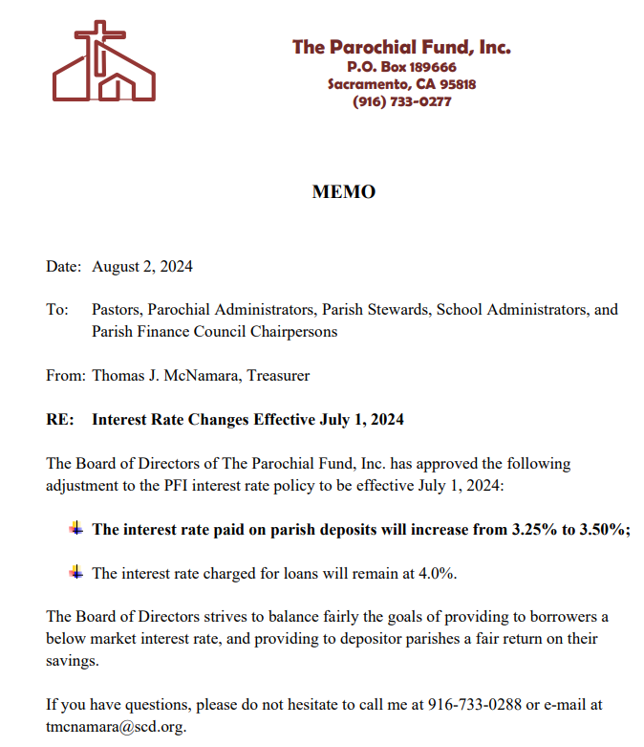
...
 |  |  |  |  |  |  | Year to Date Actual thru | Fiscal Year | Projected | Budget
 |  |  |  |  |  |  | 1/1/00 | Budget
 |  |  |  |  |  |  | - | - | - | -
...
 |  |  |  |  |  |  | Year to Date Actual thru | Fiscal Year | Projected | Budget
 |  |  |  |  |  |  | 1/1/00 | Budget
 |  |  |  |  |  |  | - | - | - | -
...
